Sheet1
class | x0 | x1 | x2 | w1 | w2 | class_hat | error |  |  |  | class | x0 | x1 | x2 | W1(x) | W2(x) | 预测 |  | 假设∑1!=∑2!=∑
1 | 1 | 245 | 38 | 25.421873451 | 21.543480647 | 1 | 0 |  |  |  | 3 | 1 | 213 | 22 | 16.15351814 | 9.4249655836 | 1 |  | class | x0 | x1 | x2 | class_hat | (x-x1_bar) |  |  | (x-x2_bar)
1 | 1 | 236 | 40 | 24.730189737 | 21.837763509 | 1 | 0 |  |  |  | 3 | 1 | 285 | 39 | 31.409504803 | 25.86859536 | 1 |  | 3 | 1 | 213 | 22 | 1 | -3.8260869565 | -13.391304348 | 7.1545974086 | 35.782608696 | -29.913043478 | 10.399763215
1 | 1 | 238 | 38 | 24.425596767 | 20.886271366 | 1 | 0 |  |  |  | 3 | 1 | 193 | 42 | 19.199447841 | 18.93988701 | 1 |  | 3 | 1 | 285 | 39 | 1 | 68.173913043 | 3.6086956522 | 2.9455865357 | 107.7826087 | -12.913043478 | 14.592713869
1 | 1 | 233 | 31 | 21.651618484 | 16.429404387 | 1 | 0 |  |  |  | 3 | 1 | 200 | 58 | 24.909672136 | 28.711226072 | 2 |  | 3 | 1 | 193 | 42 | 2 | -23.826086957 | 6.6086956522 | 3.0763217736 | 15.782608696 | -9.9130434783 | 1.2989197421
1 | 1 | 240 | 35 | 23.826382071 | 19.365146112 | 1 | 0 |  |  |  | 3 | 1 | 171 | 52 | 19.014509803 | 22.570703243 | 2 |  | 3 | 1 | 200 | 58 | 2 | -16.826086957 | 22.608695652 | 23.329709513 | 22.782608696 | 6.0869565217 | 0.64459417911
1 | 1 | 235 | 40 | 24.587864496 | 21.743876469 | 1 | 0 |  |  |  |  |  |  |  |  |  |  |  | 3 | 1 | 171 | 52 | 2 | -45.826086957 | 16.608695652 | 17.033793977 | -6.2173913043 | 0.086956521739 | 0.038449289611
1 | 1 | 204 | 38 | 19.586538585 | 17.694112005 | 1 | 0 | n1
1 | 1 | 200 | 43 | 20.490346251 | 20.166729402 | 1 | 0 | 23 |  |  |  |  |  |  |  |  |  |  |  |  |  |  |  | 可视化 | discriminal analysis 5.1 - GeoGebra
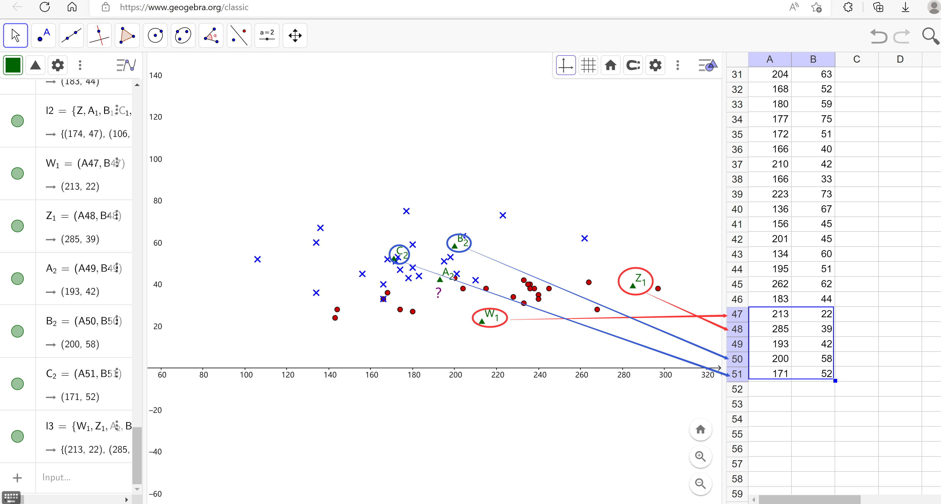
1 | 1 | 297 | 38 | 32.822785965 | 26.425606729 | 1 | 0
1 | 1 | 200 | 43 | 20.490346251 | 20.166729402 | 1 | 0
1 | 1 | 166 | 33 | 12.705070812 | 11.278238927 | 1 | 0 | n2
1 | 1 | 144 | 28 | 8.1008068894 | 6.364558489 | 1 | 0 | 23 | S1 |  |  | x1_bar |  |  | x1_bar_T |  | s1_-1
1 | 1 | 233 | 42 | 24.892457466 | 22.695368612 | 1 | 0 |  | 1588.513834 | 100.20750988 |  | 216.82608696 | 35.391304348 |  | 216.82608696 |  | 0.00079395492616 | -0.00260667473
1 | 1 | 143 | 24 | 6.779994746 | 3.9921390035 | 1 | 0 |  | 100.20750988 | 30.52173913 |  |  |  |  | 35.391304348 |  | -0.00260667473 | 0.041321642203
1 | 1 | 228 | 34 | 21.823857458 | 17.668868521 | 1 | 0
1 | 1 | 264 | 41 | 29.009918201 | 25.036233742 | 1 | 0 |  | S2 |  |  | x2_bar |  |  | x2_bar_T |  | s2_-1
1 | 1 | 240 | 33 | 23.23713862 | 18.22587989 | 1 | 0 |  | 1081.2687747 | 81.9743083 |  | 177.2173913 | 51.913043478 |  | 177.2173913 |  | 0.00097460039307 | -0.00065636385297
1 | 1 | 180 | 27 | 12.929893827 | 9.1748588191 | 1 | 0 |  | 81.9743083 | 121.71936759 |  |  |  |  | 51.913043478 |  | -0.00065636385297 | 0.0086576605984
1 | 1 | 236 | 38 | 24.140946286 | 20.698497286 | 1 | 0
1 | 1 | 168 | 36 | 13.87358647 | 13.174912341 | 1 | 0
1 | 1 | 174 | 28 | 12.370564109 | 9.1811696902 | 1 | 0
1 | 1 | 215 | 38 | 21.152116232 | 18.726869446 | 1 | 0 |  |  |  |  | S_-1
1 | 1 | 268 | 28 | 25.749136729 | 18.006551454 | 1 | 0 |  | 1334.8913043 | 91.090909091 |  | 0.00081573662088 | -0.00097616461121
2 | 1 | 174 | 47 | 17.968376897 | 20.004198806 | 2 | 0 |  | 91.090909091 | 76.12055336 |  | -0.00097616461121 | 0.014305199763
2 | 1 | 106 | 52 | 9.7633691613 | 16.46804564 | 2 | 0
2 | 1 | 173 | 53 | 19.59378201 | 23.328110434 | 2 | 0 | a1 |  |  | b1 |  | a10 | a11 | a12
2 | 1 | 178 | 43 | 17.359190957 | 18.101214521 | 2 | 0 | 0.14232524064 | 0.29462172568 |  | -20.643436083 |  | -20.643436083 | 0.14232524064 | 0.29462172568
2 | 1 | 198 | 53 | 23.151913026 | 25.675286435 | 2 | 0
2 | 1 | 180 | 48 | 19.116950066 | 21.137154158 | 2 | 0 | a2 |  |  | b2 |  | b10 | b11 | b12
2 | 1 | 134 | 36 | 9.0345282884 | 9.9827529795 | 2 | 0 | 0.093887040041 | 0.56963311136 |  | -23.104902395 |  | -23.104902395 | 0.093887040041 | 0.56963311136
2 | 1 | 204 | 63 | 26.952081727 | 31.934939789 | 2 | 0
2 | 1 | 168 | 52 | 18.587534081 | 22.289042123 | 2 | 0
2 | 1 | 180 | 59 | 22.357789049 | 27.403118383 | 2 | 0
2 | 1 | 177 | 75 | 26.644760938 | 36.235587044 | 2 | 0
2 | 1 | 172 | 51 | 18.862213318 | 22.094957172 | 2 | 0
2 | 1 | 166 | 40 | 14.767422892 | 15.265670706 | 2 | 0
2 | 1 | 210 | 42 | 21.618976931 | 20.535966691 | 1 | 1
2 | 1 | 166 | 33 | 12.705070812 | 11.278238927 | 1 | 1
2 | 1 | 223 | 73 | 32.602478556 | 39.415124664 | 2 | 0
2 | 1 | 136 | 67 | 18.452452266 | 27.829153512 | 2 | 0
2 | 1 | 156 | 45 | 14.817279114 | 17.174965863 | 2 | 0
2 | 1 | 201 | 45 | 21.221914943 | 21.399882665 | 2 | 0
则误判率回代估计
2 | 1 | 134 | 60 | 16.105449705 | 23.653947652 | 2 | 0 |  | 实际归类 | G1 | G2
2 | 1 | 195 | 51 | 22.135693853 | 24.254359092 | 2 | 0 |  | G1 | 23 | 0
2 | 1 | 262 | 62 | 34.912323959 | 36.810755 | 2 | 0 |  | G2 | 2 | 21
2 | 1 | 183 | 44 | 18.365438885 | 19.140282832 | 2 | 0 |  | 回代法误判率
 |  |  |  |  |  |  |  |  | pr* | 0.04347826087

